E3 California Pathways data
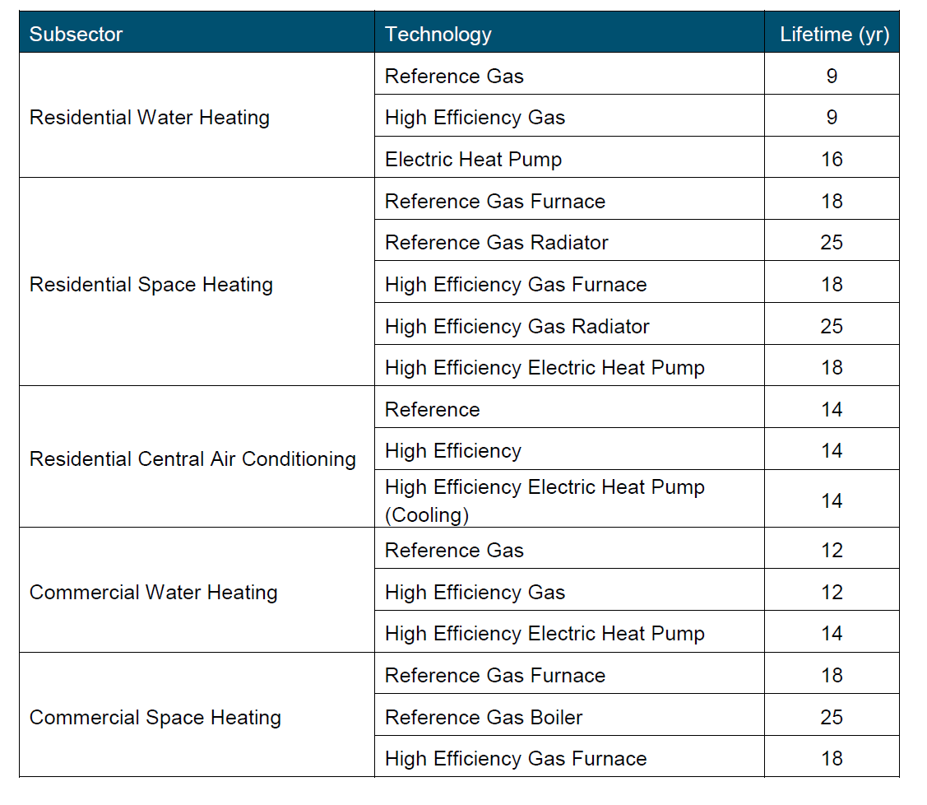
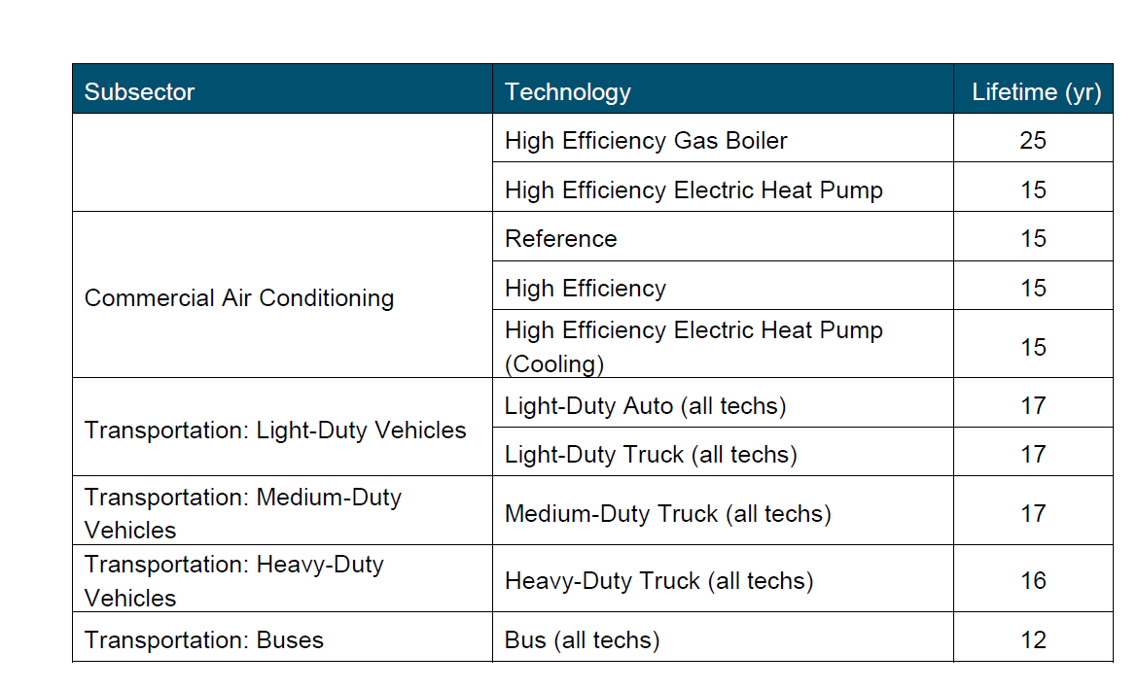
US model data
cooling and ventilation | 20
appliances | 14

Adjustment to cooling
E3 show faster turnover.
Avg for residential | 14
Avg for commerical | 15
 | 14.5
EPS requires an integer. Rounding yields | 15

Adjustment to appliances
Commercial and residential water heating ranges 9-12 years for conventional appliances.
Higher for heat pump water heaters, but these are not widely used now.
Moreover, water heaters are a very large source within appliances, and one of two
dominant sources for natural gas use in buildings, along with space heating.

Further, we note the US model value is an unweighted aggregation.

The value for appliances is therefore adjusted downward by one year
US model value | 14
Adjust value for California model | 13

